Sheet1
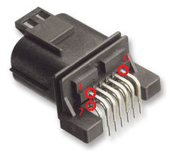
Pin Number | Purpose | Comment
1 | 12v Ignition | Supply to module, 12v ignition
2 | Ground | Ground
3 | CAN L | Chassis CAN Low
4 | CAN H | Chassis CAN High
5 | CAN L | Haldex CAN Low
6 | CAN H | Haldex CAN High
7 | Mode Change | Ground switch to change mode
8 | N/A | N/A
9 | N/A | N/A
10 | N/A | N/A
11 | N/A | N/A
12 | N/A | N/A

